00_Control
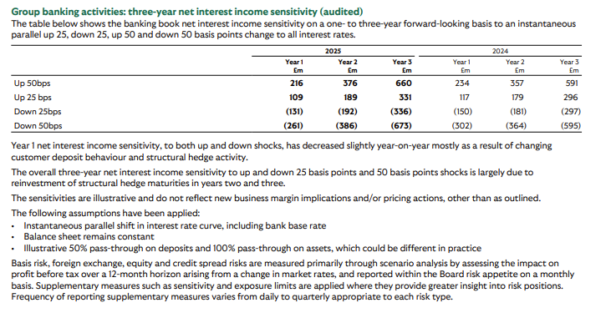
Category | Parameter | Value | Comment
Scenario | Scenario Selector | Up100 | Base / Up100 / Down100
Scenario | Shock (bps) | 100 | Auto-calculated
Scenario | Shock | 1% | Convert bps to %
Scenario | Selected Year | 2025 | 2016 to 2025
Assets_Betas | Loan_Beta | 0.8 | % pass-through
Liabilitiy_Betas | Deposit_Beta | 0.35 | Sticky deposits
Liabilitiy_Betas | Wholesale_Funding_Beta | 0.9 | Market-linked
Repricing_12M | Loans_Repricing | 0.6 | % reprices within 1y
Repricing_12M | Deposits_Repricing | 0.5 | % reprices within 1y
Repricing_12M | Funding_Repricing | 0.8 | % reprices within 1y
P&L | Tax Rate | 23% | RawData-linked
Hedge Factor | Hedge_Adjustment | 0.6 | Assumption

03_Summary
Year | Base NIM | Base NII | ΔNII (+100bps) | ΔNIM (+100bps, bps) | ΔNI (+100bps) | ΔNII (-100bps) | ΔNIM (-100bps, bps) | ΔNI (-100bps) | Adj ΔNII | Adj ΔNIM | Adj ΔNI
2016 | 2.71% | £11,815.60 | £613.28 | 14.1 | £472.22 | -£613.28 | -14.1 | -£472.22 | £367.97 | 8.44 | £283.33
2017 | 2.86% | £12,441.00 | £685.83 | 15.8 | £528.09 | -£685.83 | -15.8 | -£528.09 | £411.50 | 9.46 | £316.85
2018 | 2.93% | £12,774.80 | £625.60 | 14.3 | £481.71 | -£625.60 | -14.3 | -£481.71 | £375.36 | 8.61 | £289.03
2019 | 2.88% | £12,528.00 | £507.90 | 11.7 | £391.08 | -£507.90 | -11.7 | -£391.08 | £304.74 | 7.01 | £234.65
2020 | 2.52% | £10,962.00 | £516.64 | 11.9 | £397.81 | -£516.64 | -11.9 | -£397.81 | £309.98 | 7.13 | £238.69
2021 | 2.54% | £11,303.00 | £599.59 | 13.5 | £461.69 | -£599.59 | -13.5 | -£461.69 | £359.76 | 8.08 | £277.01
2022 | 2.94% | £13,288.80 | £646.85 | 14.3 | £498.08 | -£646.85 | -14.3 | -£498.08 | £388.11 | 8.59 | £298.85
2023 | 3.11% | £14,097.63 | £626.28 | 13.8 | £482.23 | -£626.28 | -13.8 | -£482.23 | £375.77 | 8.29 | £289.34
2024 | 2.95% | £13,310.40 | £657.96 | 14.6 | £506.63 | -£657.96 | -14.6 | -£506.63 | £394.78 | 8.75 | £303.98
2025 | 3.06% | £14,164.74 | £708.60 | 15.3 | £545.62 | -£708.60 | -15.3 | -£545.62 | £425.16 | 9.18 | £327.37

Adj ΔNII
Adj ΔNIM

